Table 5-5 - inputs
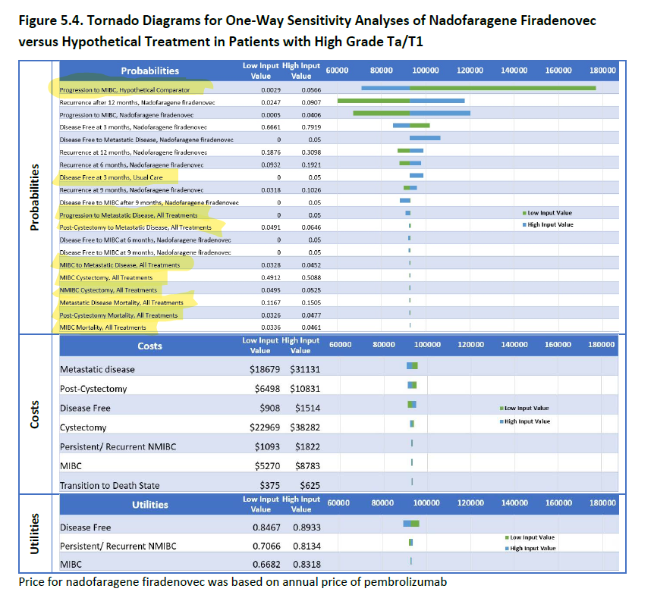
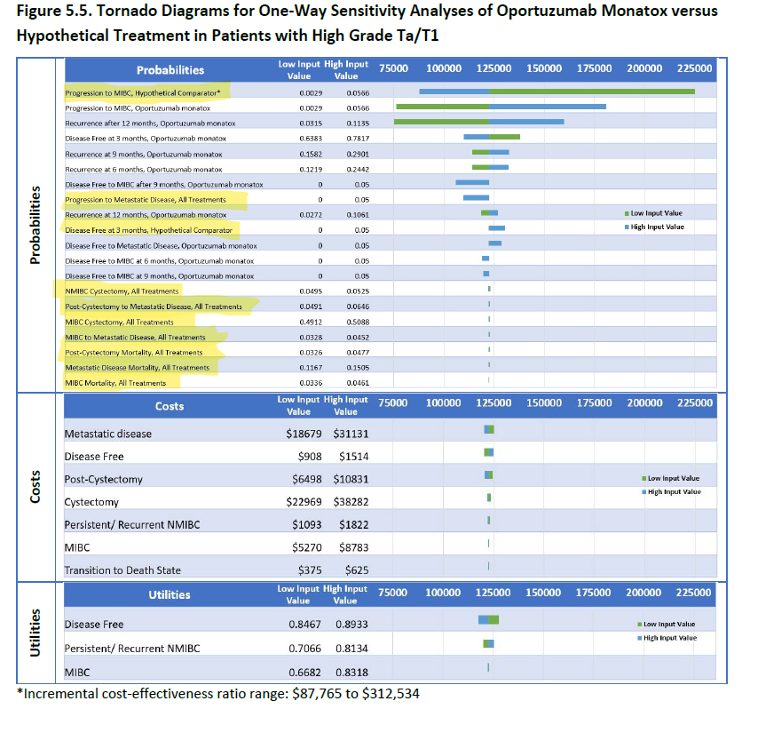
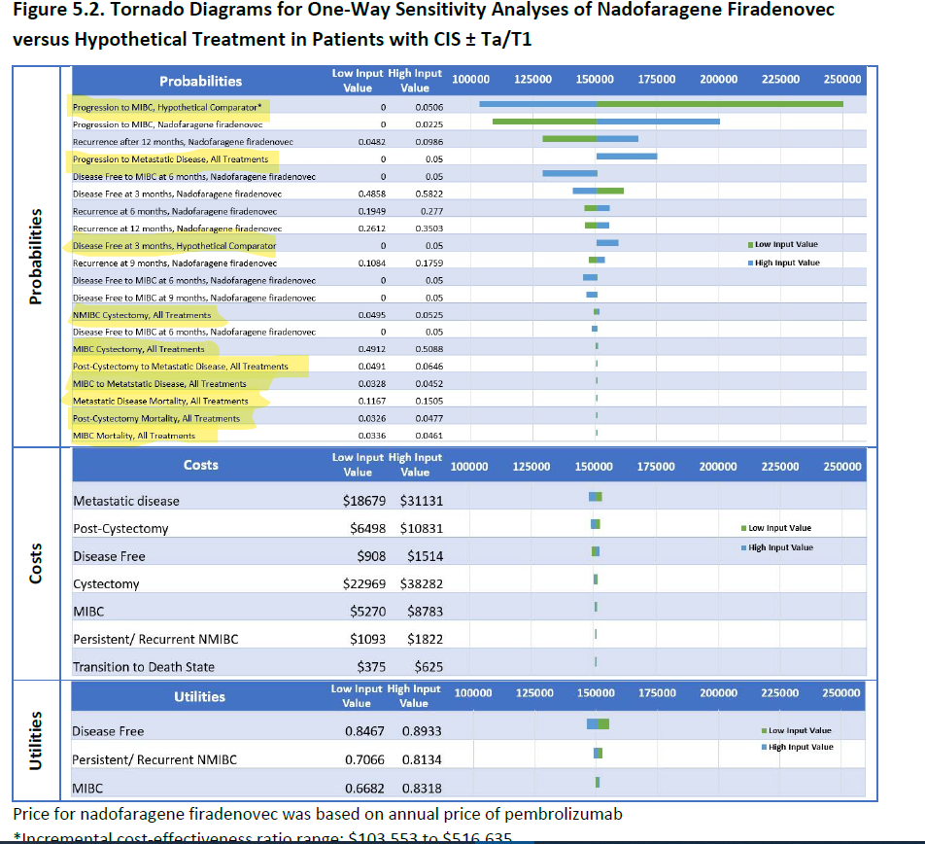
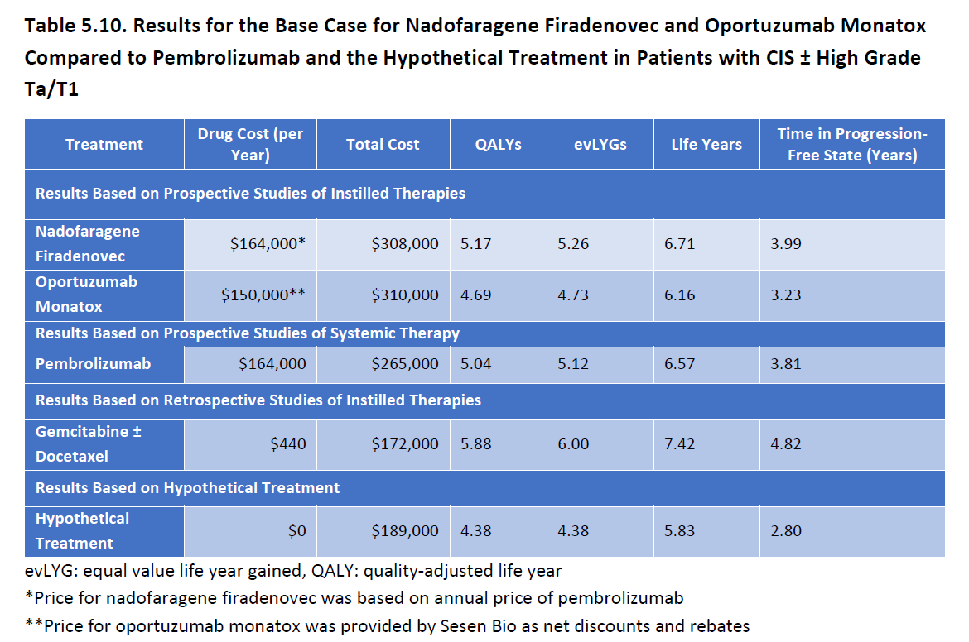
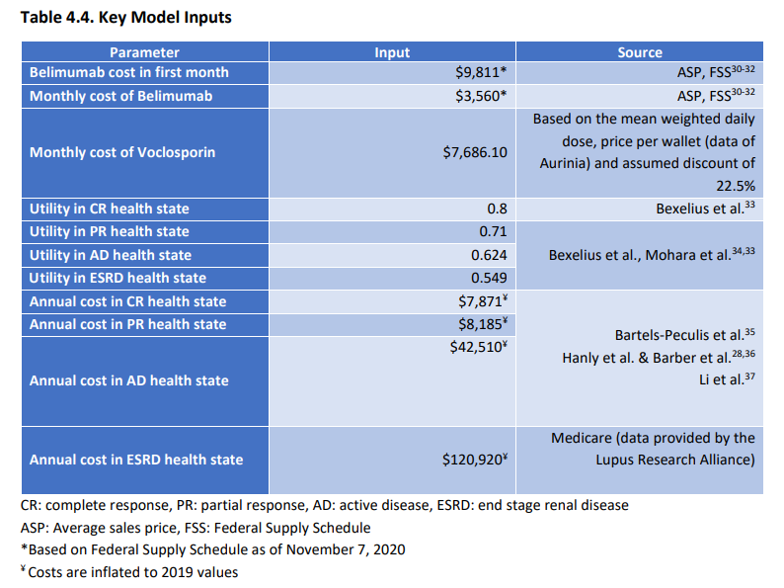
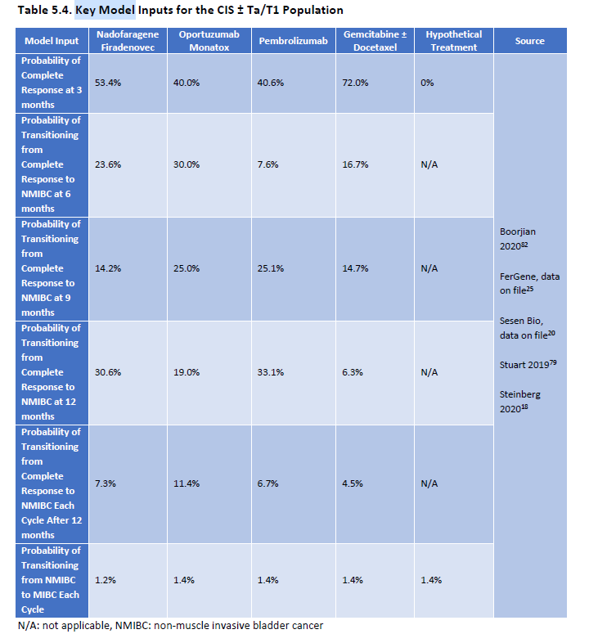
 | Assumptions |  |  | CE Ratios |  |  | Experts
Analysis (a): NF for CIS+/- Ta/T1 | Base case (a) | Low CE value (b) | High CE value (b) | Base case (c) | Low CE value (d) | High CE value (d) | Group 1 (e) | Group 2 (e)
Utility weight - Disease free | 0.87 | 0.85 | 0.89 | $151,000 | $155,299 | $146,351 | 0.736 | 0.870
Utility weight - Persistent/recurrent NMIBC | 0.76 | 0.71 | 0.81 | $151,000 | $152,587 | $149,243 | 0.643 | 0.653
Utility weight - MIBC | 0.75 | 0.67 | 0.83 | $151,000 | $149,780 | $151,758 | 0.546 | 0.707

 | Assumptions |  |  | CE Ratios |  |  | Experts
Analysis (b): OM for CIS+/- Ta/T1 | Base case (a) | Low CE value (b) | High CE value (b) | Base case (c) | Low CE value (d) | High CE value (d) | Group 1 (e) | Group 2 (e)
Utility weight - Disease free | 0.87 | 0.85 | 0.89 | $382,000 | $399,641 | $367,359 | 0.736 | 0.870
Utility weight - Persistent/recurrent NMIBC | 0.76 | 0.71 | 0.81 | $382,000 | $373,664 | $392,328 | 0.643 | 0.653
Utility weight - MIBC | 0.75 | 0.67 | 0.83 | $382,000 | $383,254 | $382,000 | 0.546 | 0.707

 | Assumptions |  |  | CE Ratios |  |  | Experts
Analysis (c): NF for HG Ta/T1 | Base case (a) | Low CE value (b) | High CE value (b) | Base case (c) | Low CE value (d) | High CE value (d) | Group 1 (e) | Group 2 (e)
Utility weight - Disease free | 0.87 | 0.85 | 0.89 | $93,000 | $96,753 | $89,765 | 0.736 | 0.870
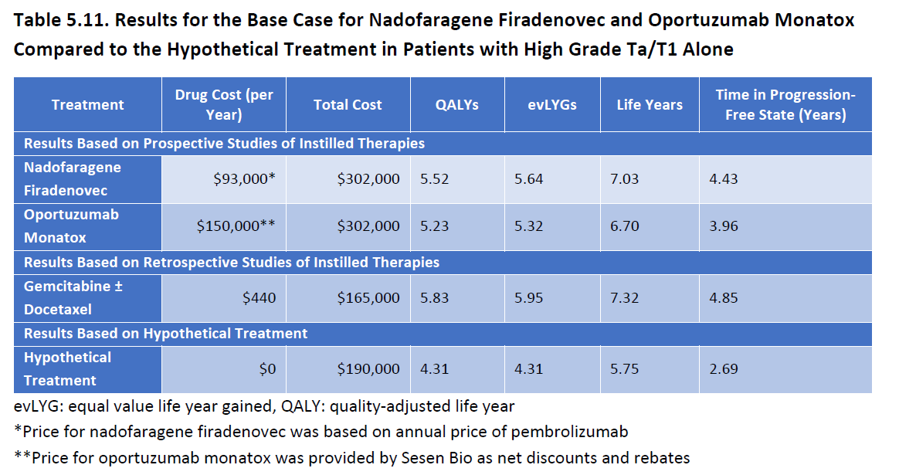
Utility weight - Persistent/recurrent NMIBC | 0.76 | 0.71 | 0.81 | $93,000 | $91,977 | $93,894 | 0.643 | 0.653
Utility weight - MIBC | 0.75 | 0.67 | 0.83 | $93,000 | $93,000 | $93,385 | 0.546 | 0.707

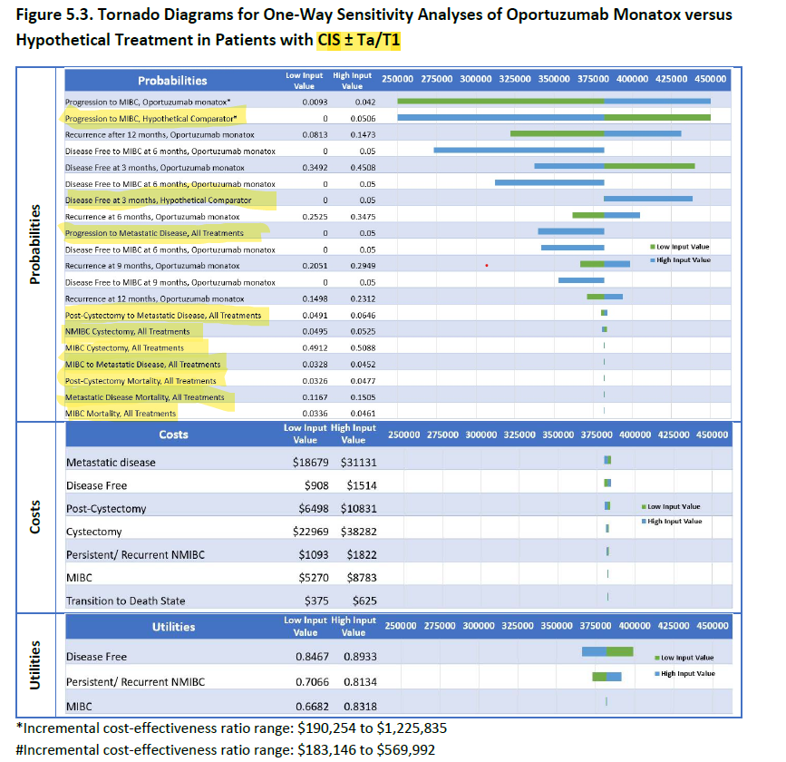
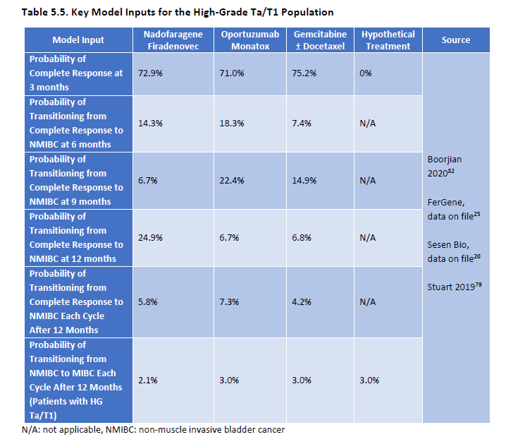
Analysis (d): OM for HG Ta/T1 | Base case (a) | Low CE value (b) | High CE value (b) | Base case (c) | Low CE value (d) | High CE value (d) | Group 1 (e) | Group 2 (e)
Utility weight - Disease free | 0.87 | 0.85 | 0.89 | $123,000 | $128,183 | $123,000 | 0.736 | 0.870
Utility weight - Persistent/recurrent NMIBC | 0.76 | 0.71 | 0.81 | $123,000 | $120,328 | $125,673 | 0.643 | 0.653
Utility weight - MIBC | 0.75 | 0.67 | 0.83 | $123,000 | $123,000 | $123,281 | 0.546 | 0.707

Notes - | (a) | Utility weight base case values come from Table 5.6 in ICER’s final evidence report.
 | (b) | Lower and higher utility weight values come from Figure 5.2 for NF for CIS+/- Ta/T1, Figure 5.3 for OM for CIS+/- Ta/T1, Figure 5.4 for NF for HG Ta/T1, and Figure 5.5 for OM for HG Ta/T1.
 | (c) | Base case cost-per-QALY values come from Table 5.10 for patients with CIS+/- HG Ta/T1 and from Table 5.11 for patients with HG Ta/T1 only.
 | (d) | Lower and upper cost-effectiveness values come from 5.2 for NF for CIS+/- Ta/T1, Figure 5.3 for OM for CIS+/- Ta/T1, Figure 5.4 for NF for HG Ta/T1, and Figure 5.5 for OM for HG Ta/T1.
 | (e) | Expert utility weights come from elicitation sessions. See text describing content of Table 5-5

Figures
 | 100K Benchmark |  | 150K Benchmark |  | ICER |  | Expert Group 1 |  | Expert Group 2
100 | 0 | 150 | 0 | $151 | 0.95 | $171 | 0.95 | $151 | 0.95
100 | 5 | 150 | 5 | $151 | 0.625 | $154 | 0.625 | $154 | 0.625
 |  |  |  | $151 | 0.3 | $147 | 0.3 | $150 | 0.3
 |  |  |  | $151 | 3.075 | $150 | 3.075 | $153 | 3.075
 |  |  |  | $151 | 2.75 | $151 | 2.75 | $152 | 2.75
 |  |  |  | $151 | 2.425 | $150 | 2.425 | $150 | 2.425
 |  |  |  | $151 | 2.1 | $150 | 2.1 | $150 | 2.1
 |  |  |  | $151 | 1.775 | $150 | 1.775 | $150 | 1.775
 |  |  |  | $151 | 1.45 | $151 | 1.45 | $151 | 1.45
 |  |  |  | $151 | 4.775 | $146 | 4.775 | $146 | 4.775
 |  |  |  | $151 | 4.45 | $150 | 4.45 | $150 | 4.45
 |  |  |  | $151 | 4.125 | $151 | 4.125 | $151 | 4.125
 |  |  |  | $151 | 3.8 | $151 | 3.8 | $151 | 3.8
 |  |  |  | $151 | 3.475 | $151 | 3.475 | $151 | 3.475
 |  | Analysis (a): NF for CIS+/- Ta/T1
 |  | ICER | Expert Group 1 | Expert Group 2 | 100K Benchmark | 150K Benchmark | Assumption Group
Utility weights | Utility weight - Disease free | $151 | $171 | $151 |  |  | 0.95 | 0.325
 | Utility weight - Persistent/recurrent NMIBC | $151 | $154 | $154 |  |  | 0.625
 | Utility weight - MIBC | $151 | $147 | $150 |  |  | 0.3

Monthly costs | Health state cost- Disease Free | $151 | $150 | $153 |  |  | 3.075
 | Health state cost- Persistent/ Recurrent NMIBC | $151 | $151 | $152 |  |  | 2.75
 | Health state cost- MIBC | $151 | $150 | $150 |  |  | 2.425
 | Health state cost- Cystectomy | $151 | $150 | $150 |  |  | 2.1
 | Health state cost- Post-cystectomy | $151 | $150 | $150 |  |  | 1.775
 | Health state cost- Metastatic disease | $151 | $151 | $151 |  |  | 1.45

Transition Probabilities | Transition probability- Progression to MIBC | $151 | $146 | $146 |  |  | 4.775
 | Transition probability- NMIBC Cystectomy | $151 | $150 | $150 |  |  | 4.45
 | Transition probability- MIBC Cystectomy | $151 | $151 | $151 |  |  | 4.125
 | Transition probability- MIBC to Metastatic Disease | $151 | $151 | $151 |  |  | 3.8
 | Transition probability- Post-Cystectomy to Metastatic Disease | $151 | $151 | $151 |  |  | 3.475

 |  |  |  |  | 100 |  | 0
 |  |  |  |  | 100 |  | 5

 |  |  |  |  |  | 150 | 0
 |  |  |  |  |  | 150 | 5

 | ICER |  | Expert Group 1 |  | Expert Group 2 |  | 100K Benchmark |  | 150K Benchmark
$382 | 0.95 | $524 | 0.95 | $382 | 0.95 | 100 | 0 | 150 | 0 | $382 | 0
$382 | 0.625 | $366 | 0.625 | $367 | 0.625 | 100 | 5 | 150 | 5 | $382 | 5
$382 | 0.3 | $384 | 0.3 | $383 | 0.3 |  |  |  |  | $382
 |  |  |  |  |  |  |  |  |  |  | 0
$382 | 3.075 | $383 | 3.075 | $380 | 3.075 |  |  |  |  | $382 | 5
$382 | 2.75 | $383 | 2.75 | $381 | 2.75 |  |  |  |  | $382
$382 | 2.425 | $383 | 2.425 | $383 | 2.425 |  |  |  |  | $382
$382 | 2.1 | $383 | 2.1 | $383 | 2.1 |  |  |  |  | $382
$382 | 1.775 | $383 | 1.775 | $383 | 1.775 |  |  |  |  | $382
$382 | 1.45 | $383 | 1.45 | $383 | 1.45 |  |  |  |  | $382
$382 | 4.775 | $316 | 4.775 | $316 | 4.775 |  |  |  |  | $382
$382 | 4.45 | $383 | 4.45 | $383 | 4.45 |  |  |  |  | $382
$382 | 4.125 | $382 | 4.125 | $382 | 4.125 |  |  |  |  | $382
$382 | 3.8 | $382 | 3.8 | $382 | 3.8 |  |  |  |  | $382
$382 | 3.475 | $383 | 3.475 | $383 | 3.475 |  |  |  |  | $382
 |  | Analysis (b): OM for CIS+/- Ta/T1
 |  | ICER | Expert Group 1 | Expert Group 2 | 100K Benchmark | 150K Benchmark | Assumption Group
Utility weights | Utility weight - Disease free | $382 | $524 | $382 |  |  | 0.95
 | Utility weight - Persistent/recurrent NMIBC | $382 | $366 | $367 |  |  | 0.625
 | Utility weight - MIBC | $382 | $384 | $383 |  |  | 0.3

Monthly costs | Health state cost- Disease Free | $382 | $383 | $380 |  |  | 3.075
 | Health state cost- Persistent/ Recurrent NMIBC | $382 | $383 | $381 |  |  | 2.75
 | Health state cost- MIBC | $382 | $383 | $383 |  |  | 2.425
 | Health state cost- Cystectomy | $382 | $383 | $383 |  |  | 2.1
 | Health state cost- Post-cystectomy | $382 | $383 | $383 |  |  | 1.775
 | Health state cost- Metastatic disease | $382 | $383 | $383 |  |  | 1.45

Transition Probabilities | Transition probability- Progression to MIBC | $382 | $316 | $316 |  |  | 4.775
 | Transition probability- NMIBC Cystectomy | $382 | $383 | $383 |  |  | 4.45
 | Transition probability- MIBC Cystectomy | $382 | $382 | $382 |  |  | 4.125
 | Transition probability- MIBC to Metastatic Disease | $382 | $382 | $382 |  |  | 3.8
 | Transition probability- Post-Cystectomy to Metastatic Disease | $382 | $383 | $383 |  |  | 3.475

 |  |  |  |  | 100 |  | 0
 |  |  |  |  | 100 |  | 5

 | ICER |  | Expert Group 1 |  | Expert Group 2 |  | 100K Benchmark |  | 150K Benchmark
$93 | 0.95 | $122 | 0.95 | $93 | 0.95 | 100 | 0 | 150 | 0
$93 | 0.625 | $91 | 0.625 | $91 | 0.625 | 100 | 5 | 150 | 5
$93 | 0.3 | $93 | 0.3 | $93 | 0.3
$93 | 3.075 | $93 | 3.075 | $97 | 3.075
$93 | 2.75 | $94 | 2.75 | $94 | 2.75
$93 | 2.425 | $93 | 2.425 | $93 | 2.425
$93 | 2.1 | $93 | 2.1 | $93 | 2.1
$93 | 1.775 | $93 | 1.775 | $93 | 1.775
$93 | 1.45 | $94 | 1.45 | $94 | 1.45
$93 | 4.775 | $99 | 4.775 | $99 | 4.775
$93 | 4.45 | $93 | 4.45 | $93 | 4.45
$93 | 4.125 | $93 | 4.125 | $93 | 4.125
$93 | 3.8 | $93 | 3.8 | $93 | 3.8
$93 | 3.475 | $93 | 3.475 | $93 | 3.475
 |  |  |  |  |  | 150 | 0
 |  |  |  |  |  | 150 | 5
 |  | Analysis (c): NF for HG Ta/T1
 |  | ICER | Expert Group 1 | Expert Group 2 | 100K Benchmark | 150K Benchmark | Assumption Group
Utility weights | Utility weight - Disease free | $93 | $122 | $93 |  |  | 0.95
 | Utility weight - Persistent/recurrent NMIBC | $93 | $91 | $91 |  |  | 0.625
 | Utility weight - MIBC | $93 | $93 | $93 |  |  | 0.3

Monthly costs | Health state cost- Disease Free | $93 | $93 | $97 |  |  | 3.075
 | Health state cost- Persistent/ Recurrent NMIBC | $93 | $94 | $94 |  |  | 2.75
 | Health state cost- MIBC | $93 | $93 | $93 |  |  | 2.425
 | Health state cost- Cystectomy | $93 | $93 | $93 |  |  | 2.1
 | Health state cost- Post-cystectomy | $93 | $93 | $93 |  |  | 1.775
 | Health state cost- Metastatic disease | $93 | $94 | $94 |  |  | 1.45

Transition Probabilities | Transition probability- Progression to MIBC | $93 | $99 | $99 |  |  | 4.775
 | Transition probability- NMIBC Cystectomy | $93 | $93 | $93 |  |  | 4.45
 | Transition probability- MIBC Cystectomy | $93 | $93 | $93 |  |  | 4.125
 | Transition probability- MIBC to Metastatic Disease | $93 | $93 | $93 |  |  | 3.8
 | Transition probability- Post-Cystectomy to Metastatic Disease | $93 | $93 | $93 |  |  | 3.475

 |  |  |  |  | 100 |  | 0
 |  |  |  |  | 100 |  | 5

 |  |  |  |  |  | 150 | 0
 |  |  |  |  |  | 150 | 5

 | ICER |  | Expert Group 1 |  | Expert Group 2 |  | 100K Benchmark |  | 150K Benchmark
$123 | 0.95 | $140 | 0.95 | $125 | 0.95 | 100 | 0 | 150 | 0
$123 | 0.625 | $117 | 0.625 | $118 | 0.625 | 100 | 5 | 150 | 5
$123 | 0.3 | $123 | 0.3 | $123 | 0.3
$123 | 3.075 | $123 | 3.075 | $120 | 3.075
$123 | 2.75 | $123 | 2.75 | $123 | 2.75
$123 | 2.425 | $123 | 2.425 | $123 | 2.425
$123 | 2.1 | $123 | 2.1 | $123 | 2.1
$123 | 1.775 | $121 | 1.775 | $121 | 1.775
$123 | 1.45 | $123 | 1.45 | $123 | 1.45
$123 | 4.775 | $125 | 4.775 | $125 | 4.775
$123 | 4.45 | $123 | 4.45 | $123 | 4.45
$123 | 4.125 | $123 | 4.125 | $123 | 4.125
$123 | 3.8 | $123 | 3.8 | $123 | 3.8
$123 | 3.475 | $123 | 3.475 | $123 | 3.475
 |  | Analysis (d): OM for HG Ta/T1
 |  | ICER | Expert Group 1 | Expert Group 2 | 100K Benchmark | 150K Benchmark | Assumption Group
Utility weights | Utility weight - Disease free | $123 | $140 | $125 |  |  | 0.95
 | Utility weight - Persistent/recurrent NMIBC | $123 | $117 | $118 |  |  | 0.625
 | Utility weight - MIBC | $123 | $123 | $123 |  |  | 0.3

Monthly costs | Health state cost- Disease Free | $123 | $123 | $120 |  |  | 3.075
 | Health state cost- Persistent/ Recurrent NMIBC | $123 | $123 | $123 |  |  | 2.75
 | Health state cost- MIBC | $123 | $123 | $123 |  |  | 2.425
 | Health state cost- Cystectomy | $123 | $123 | $123 |  |  | 2.1
 | Health state cost- Post-cystectomy | $123 | $121 | $121 |  |  | 1.775
 | Health state cost- Metastatic disease | $123 | $123 | $123 |  |  | 1.45

Transition Probabilities | Transition probability- Progression to MIBC | $123 | $125 | $125 |  |  | 4.775
 | Transition probability- NMIBC Cystectomy | $123 | $123 | $123 |  |  | 4.45
 | Transition probability- MIBC Cystectomy | $123 | $123 | $123 |  |  | 4.125
 | Transition probability- MIBC to Metastatic Disease | $123 | $123 | $123 |  |  | 3.8
 | Transition probability- Post-Cystectomy to Metastatic Disease | $123 | $123 | $123 |  |  | 3.475

 |  |  |  |  | 100 |  | 0
 |  |  |  |  | 100 |  | 5

 |  |  |  |  |  | 150 | 0
 |  |  |  |  |  | 150 | 5

Figures - main
 | ICER |  | Expert Group 1 |  | Expert Group 2 |  | 100K Benchmark |  | 150K Benchmark
$151 | 4.25 | $171 | 4.25 | $151 | 4.25 | 100 | 0 | 150 | 0
$151 | 4.25 | $154 | 4.25 | $154 | 4.25 | 100 | 5 | 150 | 5
$151 | 4.25 | $147 | 4.25 | $150 | 4.25
$151 | 3.93 | $150 | 3.93 | $153 | 3.93
$151 | 3.93 | $151 | 3.93 | $152 | 3.93
$151 | 3.93 | $150 | 3.93 | $150 | 3.93
$151 | 3.93 | $150 | 3.93 | $150 | 3.93
$151 | 3.93 | $150 | 3.93 | $150 | 3.93
$151 | 3.93 | $151 | 3.93 | $151 | 3.93
$151 | 3.60 | $146 | 3.60 | $146 | 3.60
$151 | 3.60 | $150 | 3.60 | $150 | 3.60
$151 | 3.60 | $151 | 3.60 | $151 | 3.60
$151 | 3.60 | $151 | 3.60 | $151 | 3.60
$151 | 3.60 | $151 | 3.60 | $151 | 3.60
$382 | 3.27 | $524 | 3.27 | $382 | 3.27
$382 | 3.27 | $366 | 3.27 | $367 | 3.27
$382 | 3.27 | $384 | 3.27 | $383 | 3.27
$382 | 2.95 | $383 | 2.95 | $380 | 2.95
$382 | 2.95 | $383 | 2.95 | $381 | 2.95
$382 | 2.95 | $383 | 2.95 | $383 | 2.95
$382 | 2.95 | $383 | 2.95 | $383 | 2.95
$382 | 2.95 | $383 | 2.95 | $383 | 2.95
$382 | 2.95 | $383 | 2.95 | $383 | 2.95
$382 | 2.62 | $316 | 2.62 | $316 | 2.62
$382 | 2.62 | $383 | 2.62 | $383 | 2.62
$382 | 2.62 | $382 | 2.62 | $382 | 2.62
$382 | 2.62 | $382 | 2.62 | $382 | 2.62
$382 | 2.62 | $383 | 2.62 | $383 | 2.62
$93 | 2.30 | $122 | 2.30 | $93 | 2.30
$93 | 2.30 | $91 | 2.30 | $91 | 2.30
$93 | 2.30 | $93 | 2.30 | $93 | 2.30
$93 | 1.97 | $93 | 1.97 | $97 | 1.97
$93 | 1.97 | $94 | 1.97 | $94 | 1.97
$93 | 1.97 | $93 | 1.97 | $93 | 1.97
$93 | 1.97 | $93 | 1.97 | $93 | 1.97
$93 | 1.97 | $93 | 1.97 | $93 | 1.97
$93 | 1.97 | $94 | 1.97 | $94 | 1.97
$93 | 1.65 | $99 | 1.65 | $99 | 1.65
$93 | 1.65 | $93 | 1.65 | $93 | 1.65
$93 | 1.65 | $93 | 1.65 | $93 | 1.65
...
 | Analysis (a): NF for CIS+/- Ta/T1 | ICER | Expert Group 1 | Expert Group 2 | 100K Benchmark | 150K Benchmark | Assumption Group
Utility weights | Utility weight - Disease free | $151 | $171 | $151 |  |  | 4.25 | 0.325
 | Utility weight - Persistent/recurrent NMIBC | $151 | $154 | $154 |  |  | 4.25
 | Utility weight - MIBC | $151 | $147 | $150 |  |  | 4.25

Monthly costs | Health state cost- Disease Free | $151 | $150 | $153 |  |  | 3.93
 | Health state cost- Persistent/ Recurrent NMIBC | $151 | $151 | $152 |  |  | 3.93
 | Health state cost- MIBC | $151 | $150 | $150 |  |  | 3.93
 | Health state cost- Cystectomy | $151 | $150 | $150 |  |  | 3.93
 | Health state cost- Post-cystectomy | $151 | $150 | $150 |  |  | 3.93
 | Health state cost- Metastatic disease | $151 | $151 | $151 |  |  | 3.93

Transition Probabilities | Transition probability- Progression to MIBC | $151 | $146 | $146 |  |  | 3.60
 | Transition probability- NMIBC Cystectomy | $151 | $150 | $150 |  |  | 3.60
 | Transition probability- MIBC Cystectomy | $151 | $151 | $151 |  |  | 3.60
 | Transition probability- MIBC to Metastatic Disease | $151 | $151 | $151 |  |  | 3.60
 | Transition probability- Post-Cystectomy to Metastatic Disease | $151 | $151 | $151 |  |  | 3.60

 | Analysis (b): OM for CIS+/- Ta/T1
Utility weights | Utility weight - Disease free | $382 | $524 | $382 |  |  | 3.27
 | Utility weight - Persistent/recurrent NMIBC | $382 | $366 | $367 |  |  | 3.27
 | Utility weight - MIBC | $382 | $384 | $383 |  |  | 3.27

Monthly costs | Health state cost- Disease Free | $382 | $383 | $380 |  |  | 2.95
 | Health state cost- Persistent/ Recurrent NMIBC | $382 | $383 | $381 |  |  | 2.95
 | Health state cost- MIBC | $382 | $383 | $383 |  |  | 2.95
 | Health state cost- Cystectomy | $382 | $383 | $383 |  |  | 2.95
 | Health state cost- Post-cystectomy | $382 | $383 | $383 |  |  | 2.95
 | Health state cost- Metastatic disease | $382 | $383 | $383 |  |  | 2.95

Transition Probabilities | Transition probability- Progression to MIBC | $382 | $316 | $316 |  |  | 2.62
 | Transition probability- NMIBC Cystectomy | $382 | $383 | $383 |  |  | 2.62
 | Transition probability- MIBC Cystectomy | $382 | $382 | $382 |  |  | 2.62
 | Transition probability- MIBC to Metastatic Disease | $382 | $382 | $382 |  |  | 2.62
 | Transition probability- Post-Cystectomy to Metastatic Disease | $382 | $383 | $383 |  |  | 2.62

 | Analysis (c): NF for HG Ta/T1
Utility weights | Utility weight - Disease free | $93 | $122 | $93 |  |  | 2.30
 | Utility weight - Persistent/recurrent NMIBC | $93 | $91 | $91 |  |  | 2.30
 | Utility weight - MIBC | $93 | $93 | $93 |  |  | 2.30

Monthly costs | Health state cost- Disease Free | $93 | $93 | $97 |  |  | 1.97
 | Health state cost- Persistent/ Recurrent NMIBC | $93 | $94 | $94 |  |  | 1.97
 | Health state cost- MIBC | $93 | $93 | $93 |  |  | 1.97
 | Health state cost- Cystectomy | $93 | $93 | $93 |  |  | 1.97
 | Health state cost- Post-cystectomy | $93 | $93 | $93 |  |  | 1.97
 | Health state cost- Metastatic disease | $93 | $94 | $94 |  |  | 1.97

Transition Probabilities | Transition probability- Progression to MIBC | $93 | $99 | $99 |  |  | 1.65
 | Transition probability- NMIBC Cystectomy | $93 | $93 | $93 |  |  | 1.65
 | Transition probability- MIBC Cystectomy | $93 | $93 | $93 |  |  | 1.65
 | Transition probability- MIBC to Metastatic Disease | $93 | $93 | $93 |  |  | 1.65
 | Transition probability- Post-Cystectomy to Metastatic Disease | $93 | $93 | $93 |  |  | 1.65

 | Analysis (d): OM for HG Ta/T1
Utility weights | Utility weight - Disease free | $123 | $140 | $125 |  |  | 1.32
 | Utility weight - Persistent/recurrent NMIBC | $123 | $117 | $118 |  |  | 1.32
 | Utility weight - MIBC | $123 | $123 | $123 |  |  | 1.32

Monthly costs | Health state cost- Disease Free | $123 | $123 | $120 |  |  | 1.00
 | Health state cost- Persistent/ Recurrent NMIBC | $123 | $123 | $123 |  |  | 1.00
 | Health state cost- MIBC | $123 | $123 | $123 |  |  | 1.00
 | Health state cost- Cystectomy | $123 | $123 | $123 |  |  | 1.00
 | Health state cost- Post-cystectomy | $123 | $121 | $121 |  |  | 1.00
 | Health state cost- Metastatic disease | $123 | $123 | $123 |  |  | 1.00

Transition Probabilities | Transition probability- Progression to MIBC | $123 | $125 | $125 |  |  | 0.67
 | Transition probability- NMIBC Cystectomy | $123 | $123 | $123 |  |  | 0.67
 | Transition probability- MIBC Cystectomy | $123 | $123 | $123 |  |  | 0.67
 | Transition probability- MIBC to Metastatic Disease | $123 | $123 | $123 |  |  | 0.67
 | Transition probability- Post-Cystectomy to Metastatic Disease | $123 | $123 | $123 |  |  | 0.67

 |  |  |  |  | 100 |  | 0
 |  |  |  |  | 100 |  | 5

 |  |  |  |  |  | 150 | 0
 |  |  |  |  |  | 150 | 5

